Sheet1
index | year | authors | affliation | publisher | type | name | paper keyword | sensors type | techniques | stages | features | figure | dataset | tools | scenarios | hardware | KPIs | problem | contribution | future recommendations | limitations | rating
1 | 2024 | Yajing Li, Yong Zhang, Yuqing Zhang, Xinglin Piao, Huimin Pei, Yongli Hu | Beijing University of Technology; Jiangsu Normal University | Research Square | preprint |  | Semantic Segmentation, Autonomous Driving, Local Context Aggregation, Multi-scale Feature Fusion |  | Multi-scale Central Difference Convolution (MS-CDC), FeedBack Connection (FBC) module, Local Feature Extraction (LFE) module, Graph Network | Edge feature extraction, Multi-scale feature fusion, Local context aggregation, Semantic segmentation | Edge features, Local context features, Multi-scale features |  | Cityscapes, Mapillary Vista |  | Urban road scenes |  | Pixel Accuracy (PixAcc) and Mean Intersection over Union (mIoU) | messy background and category imbalance and unclear edges | recursively enhances edge feature representation combined with local spatial context, introducing MS-CDC for multi-scale edge feature fusion, FBC module for recursive augmentation, and LFE module for capturing pixel-wise relationships |  |  | 5
2 | 2023 | Xiaojing Zhou, Yunjia Feng, Xu Li, Zijian Zhu, Yanzhong Hu | Southeast University, China; Intelligence & Collaboration Laboratory, Beijing, China | World Electric Vehicle Journal | journal | World Electric Vehicle Journal | Point cloud, semantic segmentation, multi-scale feature fusion, off-road environment | LiDAR, RGB Camera | Deep Learning, CNN, Multi-Scale Feature Fusion | Data Acquisition, Preprocessing, Model Training, Evaluation |  | 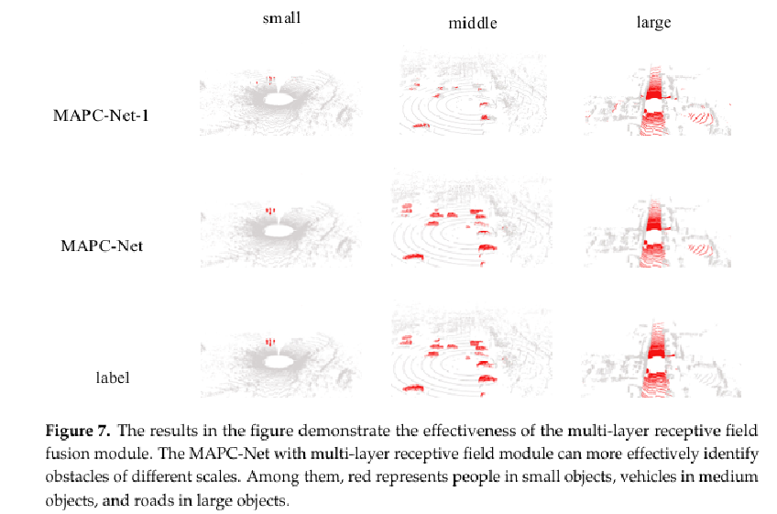 | Public datasets + custom dataset | PyTorch, TensorFlow | Off-road autonomous driving | GPU, High-performance computing | Accuracy, Processing Time | Challenges in off-road environment perception | Improved segmentation accuracy with multi-scale feature fusion | Further refinement of feature fusion techniques, real-time deployment | Limited generalization due to dataset constraints | 5
3 | 2024 | Jie Lv, Haonan Tong, Qiang Pan, Zhilong Zhang, Xinxin He, Tao Luo, Changchuan Yin | School of Information and Communication Engineering, Beijing University of Posts and Telecommunications, Beijing 100876, China; Beijing Key Laboratory of Network System Architecture and Convergence, Beijing 100876, China | arXiv | preprint |  | Autonomous driving, semantic communication, image segmentation, Swin Transformer | Visual sensors | Swin Transformer-based semantic codec, multi-scale semantic extraction, importance-aware loss, online hard sample mining (OHEM) | Semantic feature extraction, transmission, decoding, and reconstruction | Emphasis on important objects (e.g., vehicles, pedestrians, obstacles) in image segmentation |  | City Scapes |  | Autonomous driving in real traffic scenes |  | mean intersection over union (mIoU) | High transmission redundancy in image segmentation for autonomous driving, especially concerning key objects like vehicles, pedestrians, and obstacles | Proposed VIS-SemCom, a vehicular image segmentation-oriented semantic communication system that reduces transmission redundancy by focusing on important objects |  |  | 4
4 | 2023 | Han Cai, Junyan Li, Muyan Hu, Chuang Gan, Song Han | MIT, Zhejiang University, Tsinghua University, MIT-IBM Watson AI Lab | arXiv | conference | ICCV 2023 | EfficientViT, multi-scale attention, on-device semantic segmentation, lightweight models |  | Multi-scale linear attention, ReLU-based global attention, depthwise convolutions | Four-stage architecture with multi-scale linear attention modules integrated into stages 3 and 4 | Global receptive field, multi-scale learning, hardware efficiency |  | Cityscapes, ADE20K, ImageNet | PyTorch, TensorFlow-Lite | On-device semantic segmentation, high-resolution dense prediction | Mobile CPUs, edge GPUs, cloud GPUs | Mean Intersection over Union (mIoU), latency, throughput | High computational cost of deploying state-of-the-art semantic segmentation models on edge devices with limited resources | Introduction of EfficientViT, a family of models with lightweight multi-scale attention modules suitable for on-device semantic segmentation, achieving significant performance gains and speedups over previous models | potential exploration of further efficiency improvements and broader applications |  | 4
5 | 2023 | Ji-Chao Jiao, Ben Ding, Ning Li, Min Pang |  | arXiv | preprint |  | LiDAR, semantic segmentation, projection-based methods, multi-scale convolutional attention, interpolation and convolution | LiDAR | Multi-scale Convolutional Attention (MSCA) module Interpolation and Convolution (IAC) mechanism | Encoder-decoder architecture with MSCA in the encoder and IAC in the decoder | Lightweight and efficient design Improved segmentation accuracy Real-time processing capability |  | SemanticKITTI, SemanticPOSS, nuScenes | PyTorch | LiDAR-based semantic segmentation for autonomous driving |  | Mean Intersection over Union (mIoU) Inference speed (frames per second) | High computational complexity and memory consumption in existing LiDAR semantic segmentation methods | Introduction of LENet with MSCA and IAC modules for efficient and accurate LiDAR semantic segmentation |  |  | 5
7 | 2020 | Andrew Tao, Karan Sapra, Bryan Catanzaro | Nvidia | arXiv | preprint |  | Semantic Segmentation, Attention, Auto-labelling |  | Hierarchical Multi-Scale Attention Mechanism, Auto-labelling Strategy, Multi-Scale Inference |  | 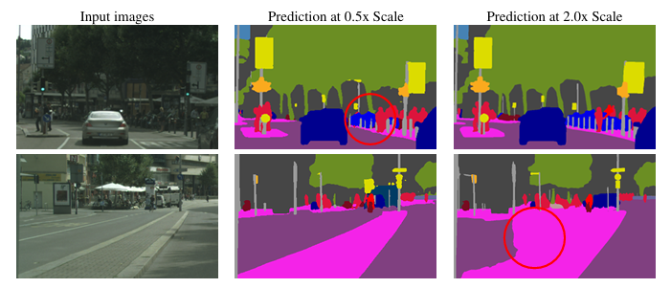 |  | Cityscapes, Mapillary Vistas |  |  |  | Memory Efficiency, Training Speed, Model Accuracy, IOU (Intersection over Union) | Improving semantic segmentation by effectively combining multi-scale predictions to address issues like class confusion and fine detail resolution. | Proposed a hierarchical attention mechanism that is approximately 4x more memory efficient than recent approaches, enabling faster training and the use of larger crop sizes, leading to improved model accuracy. Achieved state-of-the-art results on Cityscapes (85.1 IOU test) and Mapillary Vistas (61.1 IOU val) datasets. |  |  | 5
8 | 2020 | Abhinav Sagar, RajKumar Soundrapandiyan | Vellore Institute of Technology, Vellore, Tamil Nadu, India | arXiv | conference | IEEE/CVF International Conference on Computer Vision Workshops (ICCVW) in 2021. | Semantic Segmentation, Multi-Scale Feature Fusion, Spatial Attention, Self-Driving Cars |  | ResNet feature extractor, Dilated convolution, Atrous convolution, Attention module, Feature fusion |  |  | 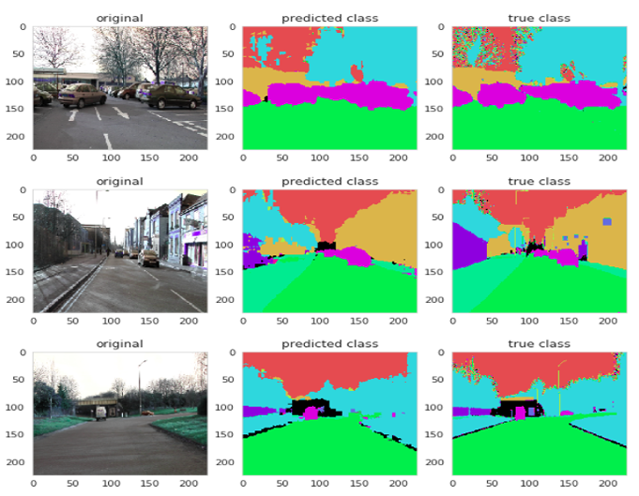 | CamVid, Cityscapes | TensorFlow/PyTorch, Image segmentation libraries |  |  | Mean Accuracy Per Class, Intersection Over Union (IOU) | Improving both accuracy and speed in semantic segmentation for self-driving cars | Proposed a novel attention-based multi-scale feature fusion method, enhancing accuracy and speed in segmentation tasks. | Further optimization for real-world deployment, testing on more diverse datasets, improving generalization across different environments. | Paper may not discuss robustness in varying weather conditions or complex urban environments. | 5
9 | 2023 | Jiale Li, Hang Dai, HaoHan, YongDing | Zhejiang University, University of Glasgow | arXiv | Journal | arXiv:2303.08600 [cs.CV] | Multi-modal 3D Segmentation, LiDAR, Camera, Feature Fusion, Autonomous Driving | LiDAR, Camera | Geometry-based feature fusion, Cross-modal feature completion, Semantic-based feature fusion, Asymmetric multi-modal data augmentation | Data preprocessing, Feature extraction, Fusion, Segmentation | Improved segmentation accuracy, Robust against sensor failures | 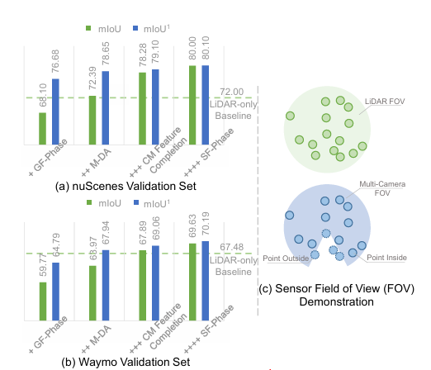 | nuScenes, Waymo, SemanticKITTI | PyTorch | Autonomous driving |  | Intersection Over Union (IoU), Accuracy | Overcoming limitations of LiDAR-only methods for 3D segmentation | introduced a novel multi-modal fusion framework, optimized intra-modal and inter-modal feature extraction, and developed robust augmentation strategies | Optimization for real-time deployment, extension to complex environments, improved handling of sensor failures | Computational cost, Sensor variability challenges in real-world deployment | 5
10 | 2023 | Felipe Barbosa, Fernando Osório | Institute of Mathematical and Computer Sciences (ICMC), University of Sao Paulo, Sao Carlos, Sao Paulo, Brazil | arXiv | preprint |  | deep semantic segmentation, survey, autonomous driving, efficiency-oriented, rgb-d, | RGB cameras, Depth cameras (stereo cameras) | Convolutional Neural Networks (CNNs) Fully Convolutional Networks (FCNs) Multi-level, multi-scale, multi-modal feature fusion Attention mechanisms Dilated and deformable convolutions Temporal modeling (using video data) |  |  |  | Cityscapes, SYNTHIA |  | Urban scenes, autonomous driving |  | Intersection over Union (mIoU) | Designing efficient and accurate deep learning models for semantic segmentation in autonomous driving, considering limitations in resources and the need for real-time performance. | Comprehensive overview of recent advances in deep semantic segmentation for urban scenes.Categorization of depth-aware, temporal-aware, and real-time models. Compilation of results from recent literature. Discussion of challenges and future directions. |  |  | 5
11 | 2024 | Huixin Zhu, Zhili Zhang, Junyang Zhao, Hui Duan, Yao Ding, Xiongwu Xiao, Junsong Yuan | Laboratory of Intelligent Control, Xi’an Research Institute of High Technology, Xi’an 710025, China The State Key Laboratory of Information Engineering in Surveying, Mapping and Remote Sensing, Wuhan University, Wuhan 430079, China The Computer Science and Engineering Department, State University of New York, Buffalo, NY 14228, USA | Springer | journal | Artificial Intelligence Review | 3D GS, Explicit radiation field, Autonomous driving, 3D scene reconstruction, Real-time rendering | RGB cameras, RGB-D cameras | 3D Gaussian Splatting (3D GS) Neural Radiance Field (NeRF) Multi-View Stereo (MVS) Monocular Stereo Vision (MSV) Binocular Stereo Vision (BSV) Active Reconstruction (Structured Light) Passive Reconstruction (Vision-based) Deep Learning (MLP, CNN) Rasterization (GPU-based) | Data Acquisition 3D Representation (Ellipsoid primitives, Gaussian distribution) Optimization (Parameter refinement) Rendering (Rasterization) | 3D Gaussian Primitives (ellipsoids) Covariance Matrices Spherical Harmonics Color (RGB) Density |  | Mip-NeRF 360 Blender CO3D-V2 DeblurNeRF Replica HyperNerf ScanNet++ TUM RGB-D Tanks and Temples FusionPortable FASTLIVO DNeRF Gamba PhysGaussian | CUDA (for GPU rasterization) COLMAP (for initial point clouds and camera parameters) | Autonomous Driving (Outdoor, Urban Scenes) 3D Scene Reconstruction SLAM (Simultaneous Localization and Mapping) | GPUs (for real-time rendering) RGB Cameras RGB-D Cameras LiDAR (indirectly, as data sources for some datasets) |  | Achieving real-time 3D scene reconstruction for autonomous driving. Overcoming limitations of NeRF (slow rendering, high computational cost). Improving 3D scene understanding for autonomous vehicles. | Comprehensive review of 3D Gaussian Splatting (3D GS) for autonomous driving. Summarization of 3D GS research progress. Explanation of the mathematical mechanism of 3D GS. Review of 3D GS applications in autonomous driving (new perspective synthesis, scene understanding, SLAM). Discussion of future research directions (structure optimization, 4D scene reconstruction, cross-domain research). | Structure Optimization of 3D GS 4D Scene Reconstruction (Dynamic Scenes) Cross-Domain Research (Integration with other sensors) |  | 3.5
12 | 2023 | Danping Liu, Dong Zhang, Lei Wang, Jun Wang | school of Advanced Manufacturing Engineering, Hefei University, Hefei, China State Key Laboratory of Automotive Simulation and Control, Jilin University, Changchun, China | Frontiers | journal | Frontiers in Neuroscience | semantic segmentation, attention mechanism, autonomous driving, convolutional neural networks, deep learning | Cameras | Multi-Scale Adaptive Attention Mechanism (MSAAM) Convolutional Neural Networks (CNNs) DeepLabv3+ with ResNet101 backbone Pyramid Pooling Attention (PSA) Convolutional Block Attention Module (CBAM) Gated Recurrent Units (GRU) Spatial Attention Channel Attention Scale Attention Softmax Activation | Encoder (feature extraction) MSAAM Module (attention mechanism) Decoder (segmentation prediction) | Multi-scale features Spatial features Channel features Attention weights | 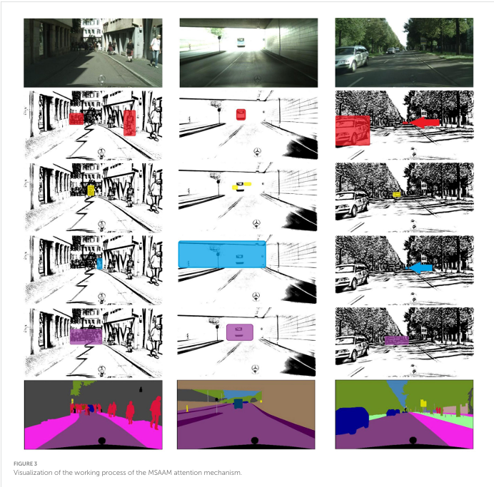 | CamVid Cityscapes | Deep learning frameworks | Autonomous Driving (street scenes) | GPUs | mIoU Mean Intersection over Union, AUROC (Area Under the Receiver Characteristic curve, AP (Average Precision percentage). FPR95 (False Positive Rate at 95% True Positive Rate, a percentage). | Improving semantic segmentation accuracy in autonomous driving scenarios, especially in hazardous situations with variations and anomalies. Addressing challenges like large-scale variations, occlusions, and diverse object appearances. Enhancing uncertainty estimation without significantly increasing computational overhead or training complexity. | Introduction of the Multi-Scale Adaptive Attention Mechanism (MSAAM) for semantic segmentation in autonomous driving. Integration of scale, spatial, and channel attention mechanisms with adaptive weight allocation. Improvement of pixel-level semantic segmentation without substantially increasing parameters or training complexity. |  |  | 4
13 | 2023 | Bo Jiang, Shaoyu Chen, Qing Xu, Bencheng Liao, Jiajie Chen, Helong Zhou, Qian Zhang, Wenyu Liu, Chang Huang, Xinggang Wang | Huazhong University of Science & Technology Horizon Robotics | Computer Vision Foundation (Open Access via ICCV) / IEEE Xplore | Conference Paper | ICCV | autonomous driving, vectorized scene representation, end-to-end planning, nuScenes dataset | Cameras (multi-view) | Vectorized Autonomous Driving (VAD) BEV (Bird's-Eye View) representation Transformer networks Deformable attention Query-based learning (agent queries, map queries, ego query) Vectorized planning constraints (ego-agent collision, ego-boundary overstepping, ego-lane directional) MLP (Multi-Layer Perceptron) Imitation Learning | Backbone (image feature extraction, BEV projection) Vectorized Scene Learning (map and agent representation) Planning (query interaction, trajectory output) Vectorized Planning Constraints (training regularization) | BEV features Map vectors (lane dividers, road boundaries, pedestrian crossings) Agent motion vectors (multi-modality trajectories) Ego query features | 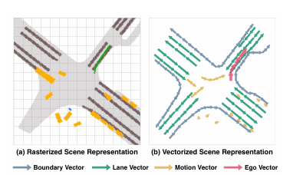 | nuScenes CARLA | PyTorch | Autonomous Driving (urban environments) | NVIDIA GeForce RTX 3090 GPUs NVIDIA Tesla A100 GPU (for UniAD comparison) | L2 (Displacement Error, meters) Collision Rate (percentage) Latency (milliseconds) FPS (Frames Per Second) Driving Score (DS) Route Completion (RC) | Inefficiency and lack of instance-level information in rasterized scene representations for autonomous driving. Limitations of modular autonomous driving systems. Need for efficient and safe end-to-end planning. | Proposal of VAD, a fully vectorized end-to-end paradigm for autonomous driving. Modeling the driving scene as vectorized map and agent motion. Introduction of vectorized planning constraints for improved safety. Achievement of state-of-the-art planning performance and efficiency on the nuScenes dataset. |  |  | 3.5
14 |  | N.S. Manikandan, K. Ganesan | TIFAC-CORE in Automotive Infotronics, Vellore Institute of Technology, Katpadi, Vellore, Tamilnadu, India-632014 |  | Research Paper |  | Automatic annotation, deep learning, object classification, object detection, lane detection, and object tracking | Webcam | Object Detection: YOLO, RetinaNet-50 Object Classification: VGG-19, ResNet-50 Lane Detection: Udacity's "Finding Lane Line", LaneNet Object Tracking: Udacity's "Object Detection and Tracking", Deep SORT ORB (Oriented FAST and Rotated BRIEF) feature extraction BF Matcher (Brute Force Matching) | Object Detection Object Classification and Properties Assignment Lane Detection and Assignment Object Tracking and Movement Detection | Object bounding boxes Object properties (occlusion, pose, direction, movement, etc.) Lane assignments Object tracking IDs | 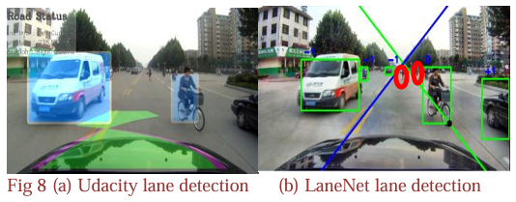 | Custom dataset from Asian countries' road side videos. | TensorFlow, PyTorch, OpenCV | Self-Driving Car (roadside video annotation) | CPU-based system (Intel i5, 16GB RAM) GPU-based system (Intel XEON, NVIDIA Quadro P1000, 32GB RAM) | Mean Average Precision (mAP) for object detection Accuracy (%) for object detection and classification Training loss and validation loss for classification Multi Object Tracking Accuracy (MOTA) for object tracking Processing time (minutes) | Time-consuming and expensive manual video annotation for self-driving car training data. Need for an efficient and accurate automatic video annotation tool. | Development of a fully automatic video annotation tool for self-driving car training data. Comparison of various deep learning algorithms for object detection, classification, lane detection, and tracking. Selection of the best algorithms for each module based on performance metrics. Demonstration of significant speedup compared to manual annotation. |  | Custom dataset may not be representative of all driving scenarios. Algorithm performance may vary depending on video quality and complexity. Accuracy of 83% may still require manual correction in some cases. | 3.5
15 |  | Vasili Ramanishka, Yi-Ting Chen, Teruhisa Misu, Kate Saenko | Boston University Honda Research Institute, USA |  | Research Paper |  | Driving scene understanding, driver behavior, causal reasoning, dataset, autonomous driving | PointGrey Grasshopper3 video cameras Velodyne HDL-64E S2 3D LiDAR sensor GeneSys Eletronik GmbH Automotive Dynamic Motion Analyzer with DGPS Vehicle Controller Area Network (CAN) | LSTM (Long Short-Term Memory) networks InceptionResnet-V2 Multimodal fusion Activity detection | Data Collection Annotation Model Training Evaluation | Video frames LiDAR point clouds GPS/IMU data CAN bus signals (throttle, brake, steering, yaw rate, speed) Driver behavior annotations (Goal-oriented, Stimulus-driven, Cause, Attention) | 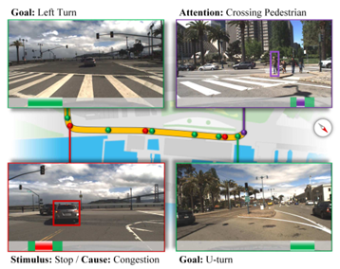 | Honda Research Institute Driving Dataset (HDD) | ROS (Robot Operating System) ELAN (annotation software) | Autonomous Driving (driver behavior analysis) |  | Average Precision (AP) for driver behavior detection Mean Average Precision (mAP) for driver behavior detection | Lack of datasets for learning higher-level driving scene understanding, particularly driver behavior and causal reasoning. Challenges in detecting unevenly distributed driver behaviors in untrimmed videos. Need for multimodal fusion for accurate driver behavior detection. | Introduction of the Honda Research Institute Driving Dataset (HDD), a large-scale dataset for learning driver behavior and causal reasoning. Proposal of a novel annotation methodology with a 4-layer representation of driver behavior. Baseline algorithms for driver behavior detection using LSTM networks and multimodal fusion. Evaluation of the proposed methods on the HDD dataset. | Improve motion modeling using optical flow features. Develop better approaches to handle imbalanced data distributions. Explore the relationships between behaviors in different layers (driver-traffic interactions). Develop a scalable approach for dataset construction. | Imbalanced data distribution. Challenges in accurately localizing the start and end times of driver behaviors. Limited number of cause annotations for certain actions. | 2
16 | 2020 | Aseem Behl, Kashyap Chitta, Aditya Prakash, Eshed Ohn-Bar, Andreas Geiger | Max Planck Institute for Intelligent Systems, Tübingen University of Tübingen Boston University | arXiv | preprint |  | Autonomous driving, semantic segmentation, behavior cloning, imitation learning, label efficiency, visual abstractions | camera | Semantic Segmentation (ResNet, Feature Pyramid Network - FPN) Object Detection (Faster R-CNN) Behavior Cloning (Conditional Imitation Learning - CIL) Hybrid Detection and Segmentation | Visual Abstraction Training (segmentation/detection models) Driving Policy Training (behavior cloning) Evaluation (success rate on CARLA NoCrash benchmark) | Semantic label maps (pixel-wise) Object bounding boxes Navigational commands Vehicle velocity | 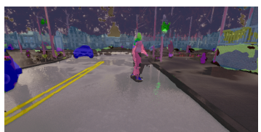 | CARLA simulator data (Town 01 & Town 02) | CARLA simulator Detectron2 COiLTRAiNE | Autonomous Driving (urban environments) |  | Success Rate (SR) - percentage of successfully completed episodes | High annotation costs for semantic segmentation in autonomous driving. Segmentation models trained independently of the driving task. High variance in learned policies using behavior cloning. | Analysis of label-efficient visual abstractions for behavior cloning. Demonstration that state-of-the-art driving performance can be achieved with significantly reduced annotation costs. Identification of relevant semantic classes for driving tasks. Reduction of variance in learned policies using visual abstractions. | Further exploration of label-efficient representations, potential for real-world deployment | Experiments conducted in a simulated environment (CARLA). Focus on behavior cloning, might not generalize to other learning methods. Analysis limited to specific visual abstractions and datasets. | 4
17 | 2024 | David Fernández Llorca, Pedro Frau, Ignacio Parra, Rubén Izquierdo, Emilia Gómez | Joint Research Centre, European Commission, Sevilla, Spain Lambda Developments S.L., Madrid, Spain Computer Engineering Department, University of Alcalá, Alcalá de Henares, Madrid, Spain | Journal of Big Data | Research Paper |  | Autonomous driving, Computer vision, Bias, Fairness, Annotation, Attributes, Persons, Vehicles | digital cameras | Attribute annotation Bias evaluation Inter-rater agreement analysis | Dataset selection Annotation methodology development Annotation tool development Annotation process Bias analysis | Annotated attributes for persons (age, sex, skin tone, group, means of transport) Annotated attributes for vehicles (type, color, car type) | 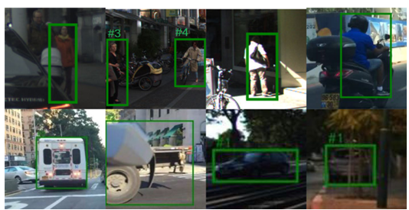 | KITTI Tsinghua-Daimler (TDC) CityPersons EuroCity Persons BDD100K nuImages |  | Autonomous driving (perception and prediction systems) |  |  | Bias in visual datasets used for training autonomous driving perception systems. Underrepresentation of certain demographic groups (children, wheelchair users, etc.). Lack of tools and methodologies for annotating protected attributes. | New set of annotations for commonly used visual datasets. Specialized annotation tool for equity-relevant attributes. Annotation methodology to minimize errors and biases. Analysis of inter-rater agreement to validate the methodology. Identification of biases in the analyzed datasets. | Further work on bias mitigation in autonomous driving systems. | Focus on visual datasets, excluding other modalities (LiDAR, radar). Potential biases of the annotators themselves. Subjective nature of some attribute annotations. | 3.5
18 | 2024 | Jon Gutiérrez-Zaballa, Koldo Basterretxea, Javier Echanobe, M. Victoria Martínez, Unai Martinez-Corral | Department of Electronics Technology and Department of Electricity and Electronics, University of the Basque Country, Spain | arXiv | preprint |  | Hyperspectral imaging, dataset, scene understanding, autonomous driving systems, fully convolutional networks | Photonfocus camera with Imec 25-band VIS-NIR mosaic spectral filter | Hyperspectral image segmentation Fully convolutional networks (FCNs) 5-fold cross-validation Image preprocessing (cropping, reflectance correction, demosaicing, normalization) Model pruning and quantization | Data collection (HSI-Drive v2.0 dataset) Data partitioning and preprocessing Model training and optimization Segmentation experiments Evaluation and analysis | Hyperspectral image data (25 spectral bands, 535nm-975nm) Pixel-wise annotations (10 classes: Road, Road Marks, Vegetation, Painted Metal, Sky, Concrete, Pedestrian, Water, Unpainted Metal, Glass) | 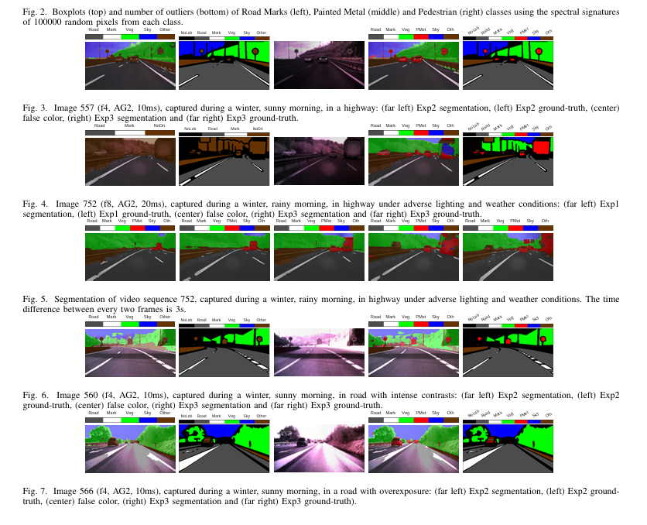 | HSI-Drive v2.0 | NVIDIA GFORCE RTX 3090 GPU | Autonomous driving (scene understanding, ADAS) |  | Intersection over Union (IoU) | Limited availability of hyperspectral datasets for autonomous driving. Challenges in processing spectral data in real driving conditions (varying lighting, weather, etc.). Need for robust and efficient segmentation models for scene understanding. | Updated HSI-Drive v2.0 dataset with increased data volume and diversity (four seasons). Improved segmentation models using FCNs and new training data. Evaluation of model performance under different lighting and weather conditions. Analysis of segmentation robustness on real driving scenes. Development of computationally efficient models through pruning and quantization. | Explore techniques to enhance ML model training using temporal information. Further investigate the cause of instability in pedestrian segmentation. Continue to improve model robustness under challenging conditions (e.g., severe lighting contrasts, overexposure). Explore more advanced preprocessing techniques. |  | 4
19 | 2025 | Lianqing Zheng, Long Yang, Qunshu Lin, Wenjin Ai, Minghao Liu, Shouyi Lu, Jianan Liu, Hongze Ren, Jingyue Mo, Xiaokai Bai, Jie Bai, Zhixiong Ma, and Xichan Zhu | School of Automotive Studies, Tongji University, Shanghai, China College of Computer Science and Technology, Zhejiang University, Hangzhou, China 2077AI Foundation, Singapore Momoni AI, Gothenburg, Sweden College of Information Science and Electronic Engineering, Zhejiang University, Hangzhou, China School of Information and Electrical Engineering, Hangzhou City University, Hangzhou, China | arXiv | preprint |  | Autonomous driving, dataset, 4D annotation, 4D radar, 3D object detection, multi-object tracking, occupancy prediction | 128-beam LiDAR 8MP and 2MP cameras (6 total) 4D imaging radar systems (6 total) GNSS/IMU | 4D annotation pipeline 3D bounding box annotation Semantic segmentation annotation Occupancy ground truth generation 3D object detection Multi-object tracking Sensor calibration and time synchronization | Data collection (public roads and closed test sites) Data preprocessing (format conversion, slicing, synchronization, selection, anonymization) 4D annotation (3D bounding boxes, semantic segmentation) Occupancy ground truth generation Benchmark establishment and evaluation | Multimodal sensor data (LiDAR, cameras, 4D radar, GNSS/IMU) 3D bounding box annotations Semantic segmentation labels Occupancy ground truth labels | 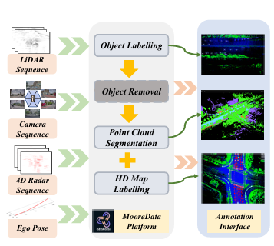 | OmniHD-Scenes | ROSbag PnP algorithm OpenCalib tool | Autonomous driving (complex urban, hazardous test cases) | Robosense RS-Ruby-128 LiDAR SG8-AR0820C and SG2-AR0233C cameras GPALAres-R7861 4D radar systems CGI-430 INS TZTEK-GEACX2 domain controller Customized hpML10 IPC |  | Limitations of existing autonomous driving datasets (lack of high-resolution sensors, comprehensive annotations, hazardous test cases). Need for multimodal datasets with 4D radar data and advanced annotation pipelines. | OmniHD-Scenes dataset: large-scale, multimodal, omnidirectional, high-definition data. Novel 4D annotation pipeline with precise 3D bounding box, semantic segmentation, and occupancy ground truth labels. Comprehensive benchmarks for 3D object detection and occupancy prediction. Evaluation of cost-effective sensor solutions (4D radar and cameras). | Development of algorithms and models based on the dataset, further exploration of multimodal fusion | Annotation of only 200 clips so far. Potential biases in data collection and annotation. | 4
20 | 2024 | Sándor Kunsági-Máté, Levente Pető, Lehel Seres, Tamás Matuszka | aiMotive, Budapest, Hungary | arXiv | preprint |  | Self-driving, automatic annotation, neural networks, 3D localization | RGB cameras GNSS/INS | Mask2Former image segmentation Triangulation for 3D localization DBSCAN clustering Heuristic orientation estimation Intersection-over-union (IoU) filtering Convolutional neural networks for attribute classification | 2D detection of traffic lights and signs 3D localization using triangulation Extent calculation Orientation estimation False positive reduction Attribute classification | 3D bounding boxes for traffic lights and signs Traffic light state (color) Traffic light mask type Traffic sign type Object occlusion Text on traffic signs (using Google Vision API) |  | Automatically generated dataset | Mask2Former DBSCAN Google Vision API | Autonomous driving (address-to-address navigation) | Front cameras (wide and narrow) Cross-traffic cameras (left and right) | Localization precision and recall Localization error (mean distance) Orientation error Traffic light color state classification accuracy | Lack of large-scale 3D annotated datasets for static objects (traffic lights, signs). Manual annotation is expensive, time-consuming, and error-prone. LiDAR-based methods have limitations for distant objects and traffic lights. | Novel method for automatic 3D annotation of traffic lights and signs using RGB images and GNSS/INS data. Generation of accurate and temporally consistent 3D bounding boxes up to 200 meters. Publicly available dataset with 3D annotations. | Increase the size of the manually annotated validation set. Investigate traffic light detection precision on a larger sample. | Automatically annotated dataset, subject to potential errors. Limited size of the validation dataset. | 4.5
21 | 2021 | Jiageng Mao, Jingheng Chen, Zhenguo Li, Minzhe Niu, Xiaodan Liang, Jie Yu, Chenhan Jiang, Hanxue Liang, Yamin Li, Chaoqiang Ye, Wei Zhang, Hang Xu, Chunjing Xu | The Chinese University of Hong Kong Huawei Noah’s Ark Lab Huawei IAS BU Vehicle Cloud Service Sun Yat-Sen University ETH Zurich | arXiv | preprint |  | Autonomous driving, 3D object detection, LiDAR, unlabeled data, self-supervised learning, semi-supervised learning, benchmark | 40-beam LiDAR High-resolution cameras | 3D object detection (PointRCNN, PointPillars, SECOND, PV-RCNN, CenterPoints, PointPainting) Self-supervised learning (PointContrast, DeepCluster, SwAV, BYOL) Semi-supervised learning (PseudoLabel, NoisyStudent, MeanTeacher, SESS, 3DIoUMatch) Unsupervised domain adaptation (SN, ST3D) | Data collection (144 driving hours) Data preprocessing (downsampling, distortion removal) Annotation (16k scenes with 3D bounding boxes) Benchmark creation (reproducing and evaluating self/semi-supervised methods) Evaluation and analysis |  | 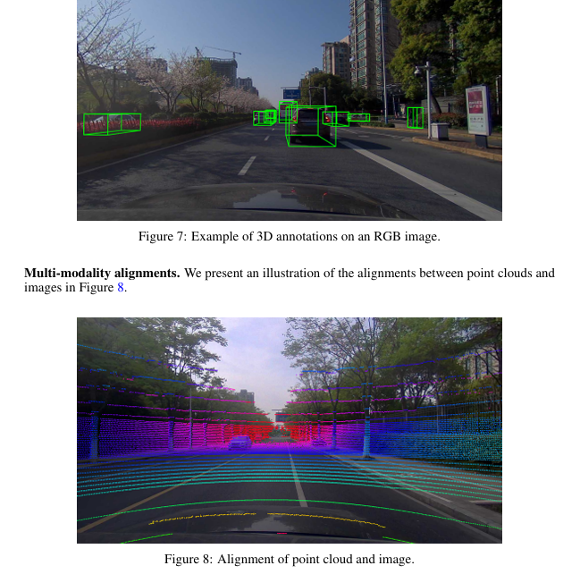 | ONCE (One millioN sCenEs) dataset | Commercial annotation system | Autonomous Driving | 40-beam LiDAR High-resolution cameras | Average Precision (AP) for 3D object detection mAP (mean Average Precision) NDS (nuScenes Detection Score) L2 mAP (Waymo Level 2 mAP) | Data scarcity and lack of diversity in autonomous driving datasets. Challenges in effectively leveraging large amounts of unlabeled data. Need for benchmarks to evaluate self/semi-supervised learning methods for 3D detection. | ONCE dataset: largest and most diverse autonomous driving dataset (1 million scenes, 144 driving hours). Benchmark for self/semi-supervised learning in 3D object detection. Comprehensive evaluation and analysis of various methods. | Exploration of fully/semi/self-supervised methods for 3D perception. Further research on leveraging unlabeled data for 3D detection. | Partial annotation (only 16k scenes annotated). Potential biases in data collection and annotation. | 3.5
22 | 2020 | Zhiyu Huang, Chen Lv, Yang Xing, Jingda Wu | School of Mechanical and Aerospace Engineering, Nanyang Technological University, Singapore | arXiv | preprint |  | End-to-end autonomous driving, multimodal sensor fusion, deep neural network, semantic segmentation | RGB camera (monocular) Depth sensor | Multimodal sensor fusion (early fusion) Deep neural network (DNN) Convolutional neural network (CNN) Conditional imitation learning Semantic segmentation | Data collection (simulated urban driving) Model training (end-to-end learning) Model testing (simulated urban driving) Ablation study | Pixel-wise semantic segmentation Vehicle control commands (steering, speed) Multimodal input (RGB image, depth map) | 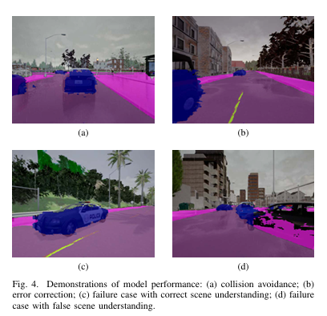 | CARLA simulator, Town01 and Town02 | CARLA simulator PID controller | Autonomous driving (urban environments) | NVIDIA RTX 2080 Ti GPU | Success rate (percentage of successful navigation episodes) | Improving performance and generalization of end-to-end autonomous driving. Addressing causal confusion and distributional shift in imitation learning. Need for better latent representation of driving scenes. | Deep neural network with multimodal sensor fusion and scene understanding for end-to-end driving. Evaluation of the model in high-fidelity simulated urban driving scenarios. Ablation study to analyze the impact of multimodal sensor fusion and scene understanding. | Further exploration of multimodal fusion and scene understanding for autonomous driving. | Simulated environment, may not fully represent real-world conditions. Model not trained to obey traffic rules (e.g., stop for red lights). Out-of-distribution scenarios lead to failures. | 3
23 | 2020 | Shih-Yuan Yu, Arnav V. Malawade, Deepan Muthirayan, Pramod P. Khargonekar, Mohammad A. Al Faruque | Department of Electrical Engineering & Computer Science, University of California, Irvine CA, USA | arXiv | preprint |  | Autonomous Vehicle, Risk Assessment, Scene Understanding, Graph Convolutional Neural Network |  | Scene-graph extraction Multi-Relation Graph Convolution Network (MR-GCN) Long Short Term Memory (LSTM) Attention layers (node, temporal) Supervised scene classification Object detection (Detectron2/Faster RCNN) Bird's-eye view projection (OpenCV) | Dataset preparation (real-world, synthesized) Scene-graph extraction (Real Image Pipeline, Carla Ground Truth Pipeline) Spatial modeling (MR-GCN, graph pooling, graph readout) Temporal modeling (LSTM, temporal readout) Risk inference (MLP, Softmax) Model training and evaluation | Scene-graphs as intermediate representations Risk assessment (risky/safe classification) Node embeddings Spatio-temporal embeddings Attention scores |  | Honda Driving Dataset (HDD) (real-world) Synthesized datasets (Carla simulator) | Detectron2/Faster RCNN OpenCV Carla simulator Carla Scenario Runner | Autonomous driving (lane changes) |  |  | Assessing subjective risk in autonomous driving. Modeling relationships between traffic participants. Transferring knowledge from simulated to real-world scenarios. Lack of explainability in risk assessment models. | Novel scene-graph augmented data-driven risk assessment approach. Demonstration of improved accuracy and transferability compared to state-of-the-art. Use of multi-level attention for better explainability. |  |  | 5
24 | 2024 | Tao Tang, Dafeng Wei, Zhengyu Jia, Tian Gao, Changwei Cai, Chengkai Hou, Peng Jia, Kun Zhan, Haiyang Sun, Jingchen Fan, Yixing Zhao, Fu Liu, Xiaodan Liang, Xianpeng Lang, Yang Wang | Li Auto Inc. Shenzhen Campus of Sun Yat-sen University | arXiv | preprint |  | Autonomous driving, text-scene retrieval, Bird's Eye View (BEV), large language models (LLMs), knowledge graph embeddings, cross-modal embedding, nuScenes-Retrieval dataset | Cameras | Bird's Eye View (BEV) representation Large Language Models (LLMs) (Llama, GPT-3) Knowledge Graph Embeddings (TransE, ConvE, DistMult) Shared Cross-modal Embedding Caption generation Contrastive learning LoRA fine-tuning | Feature extraction (BEV, text, knowledge graph) Feature alignment (shared embedding, caption generation) Model training and evaluation Dataset creation (nuScenes-Retrieval) | BEV embeddings Language embeddings Knowledge graph embeddings Cross-modal embeddings Scene retrieval |  | nuScenes | PyTorch, TensorFlow | Autonomous driving data retrieval |  | Recall accuracy (R@K) | Lack of effective text-scene retrieval methods for complex autonomous driving scenarios. Challenges in handling complex textual descriptions and understanding global scene context. Insufficient retrieval datasets for autonomous driving. | BEV-TSR framework for text-scene retrieval in BEV space. Leveraging LLMs and knowledge graph embeddings for rich text understanding. Shared Cross-modal Embedding for feature alignment. nuScenes-Retrieval dataset for multi-level evaluation. State-of-the-art retrieval performance. |  |  | 3.5

 |  |  |  |  | 0

